Usability Strenghts
Description | Image | Location
Like the simple user setting | 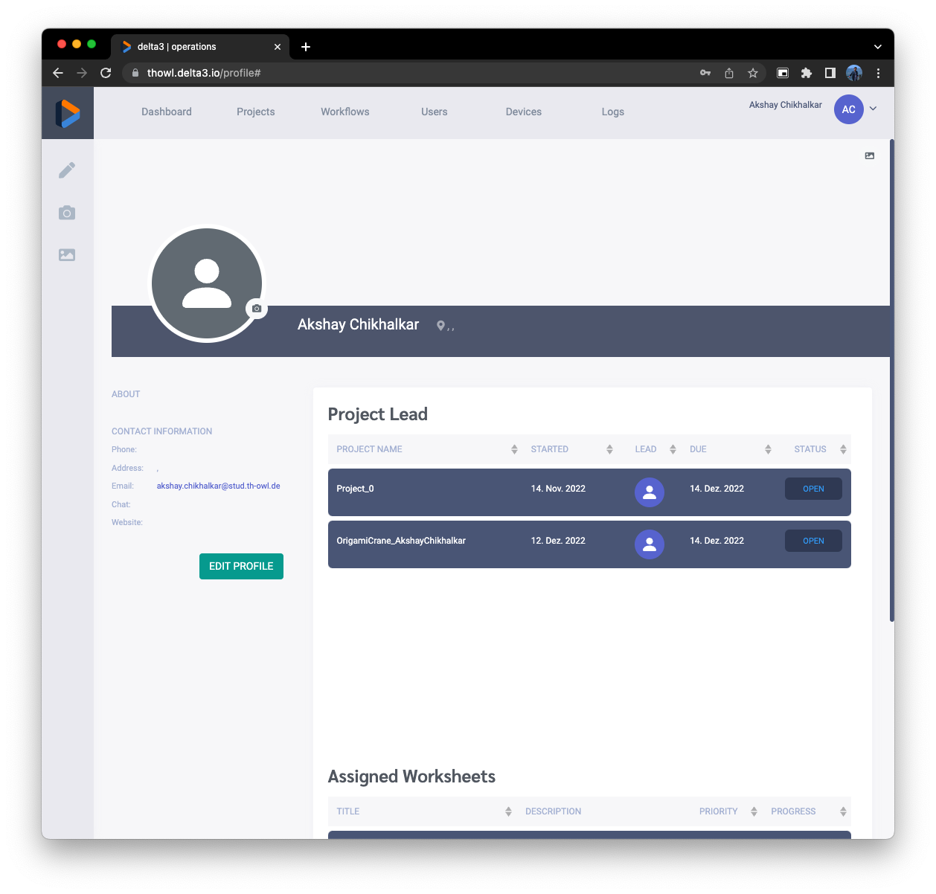 | Profile
Overall minimalist and easy to understand UI | 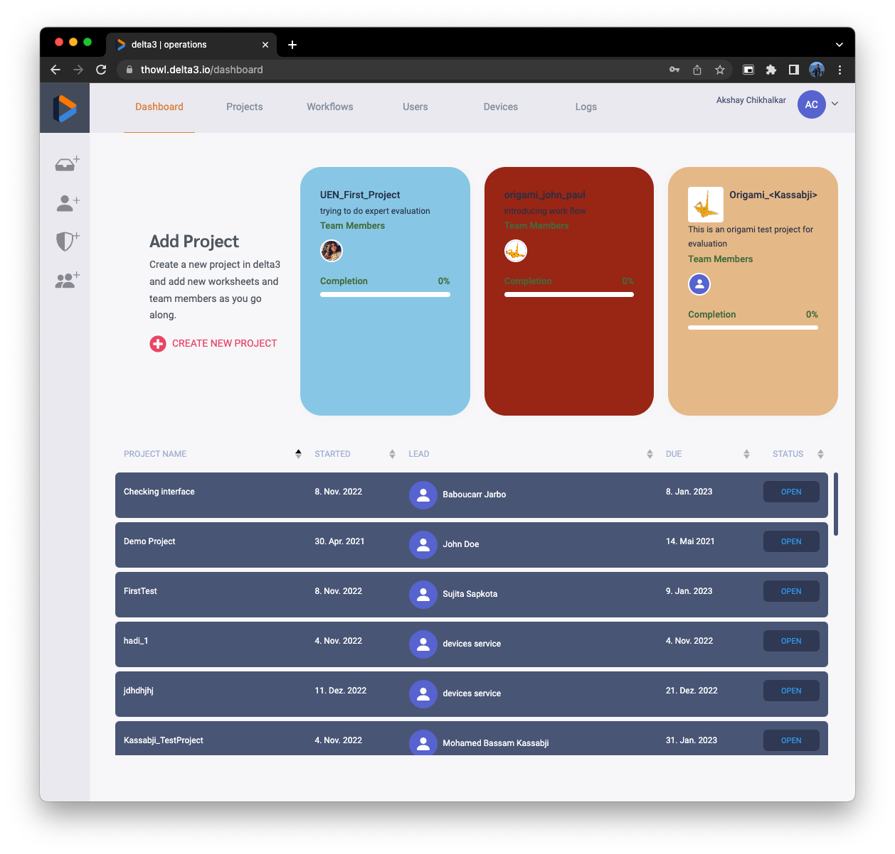 | Dashboard

Usability Problems
Description | Image | Location | Violation | Severity Rating | Recommendation | Example for best practices
Difficult to understand the concept of project and worksheet | 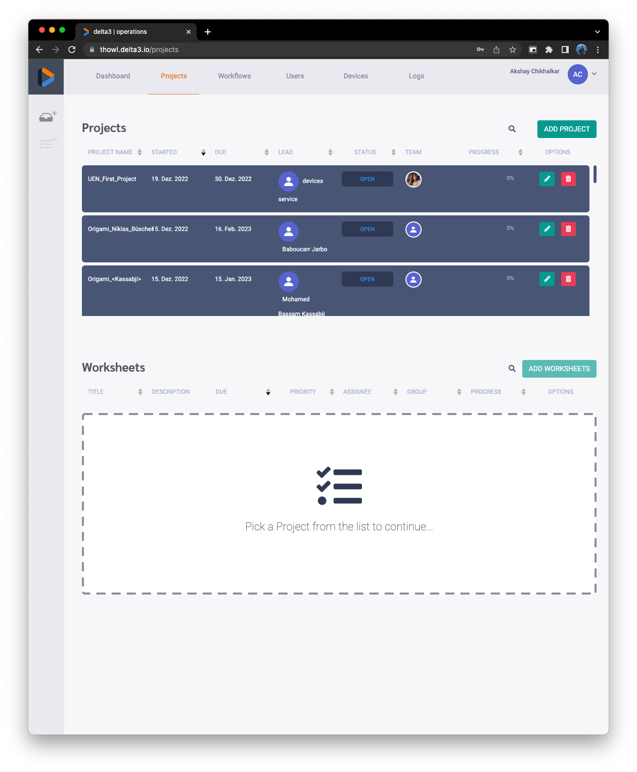 | Projects | Heuristic 2: Match Between the System and the Real World | Low | Would like to have simple terminologies or some documents to understand. Or if it can be automated, that would be better. | Photoshop, SolidWorks
Add Worksheets button is disabled but looks like enabled | 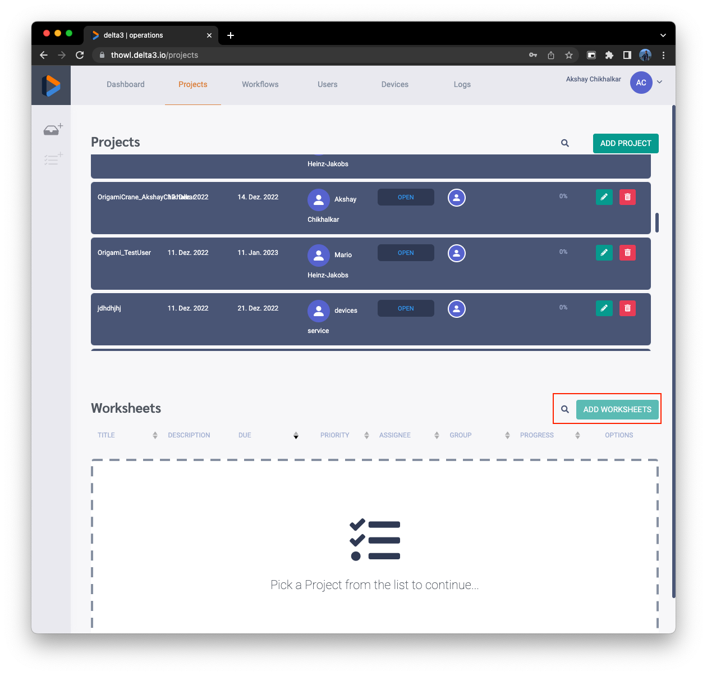 | Projects | Heuristic 2: Match Between the System and the Real World | Low | Disable color can be changed to gray or similar.
Allows to save worksheet without Assigned to, it results in no visible project on player. | 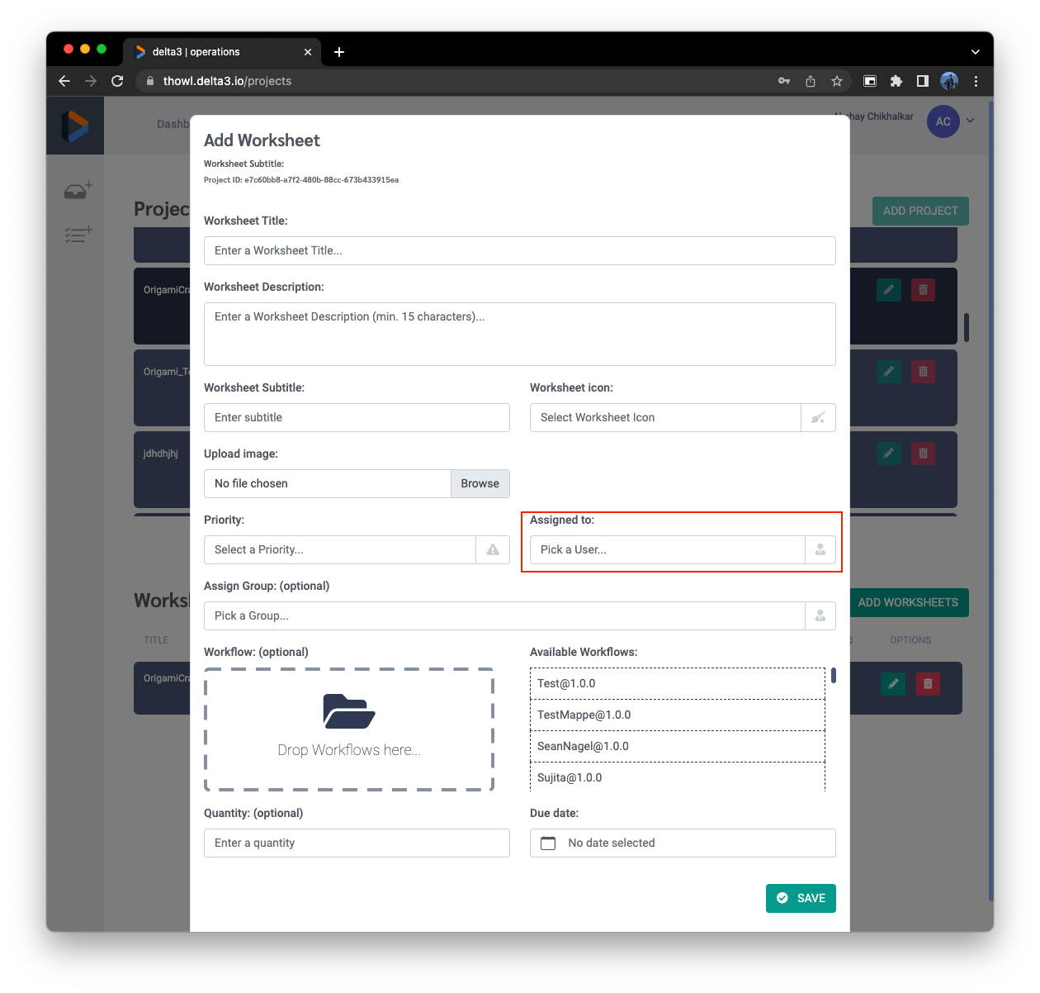 | Add worksheet | Heuristic 5: Error Prevention | High | Assigned to option should be mandatory
Dark mode does not work | 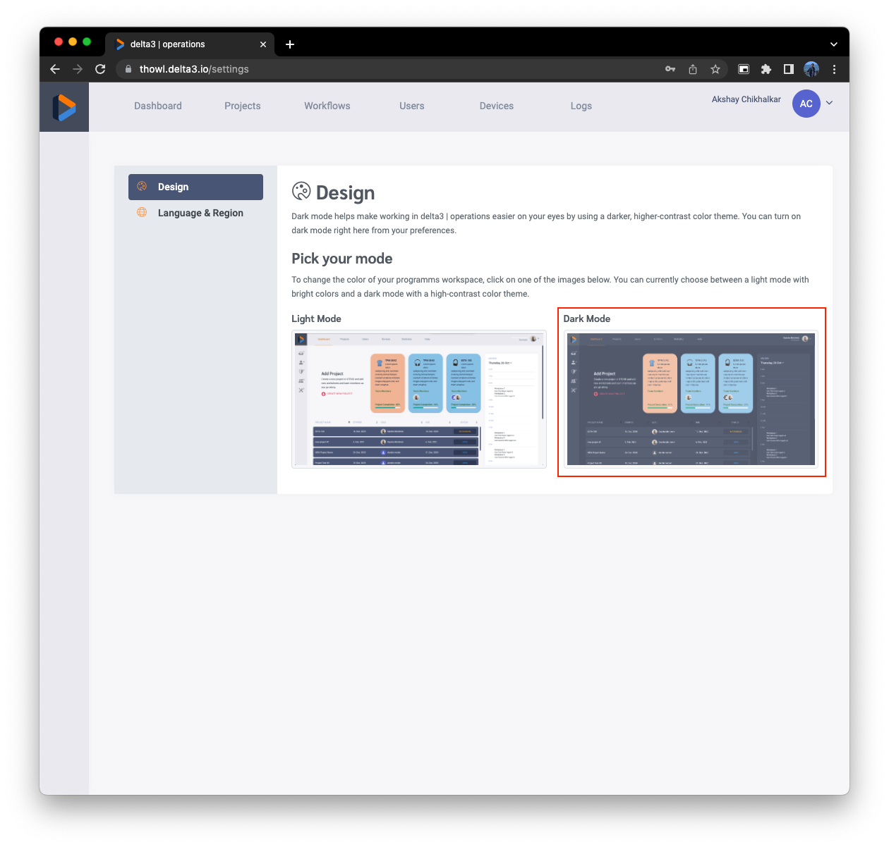 | Settings | Heuristic 7: Flexibility and Efficiency of Use | Low | Shows and error "Cannot GET /settings" instead there shall be good message if it is not enabled.
If there is any error, back button does not work. | 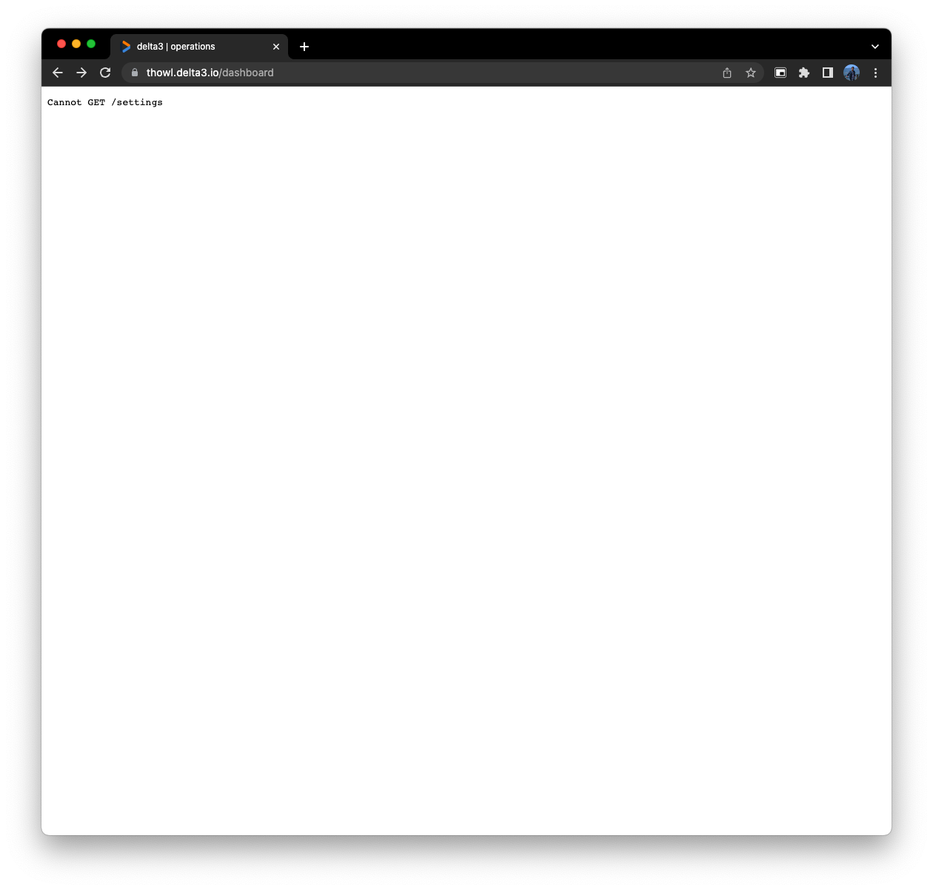 | Operator | Heuristic 6: Recognition vs. Recall in User Interfaces | Low | Like to see proper error message and it should not happened in first place.
Dynamic resizing problem | 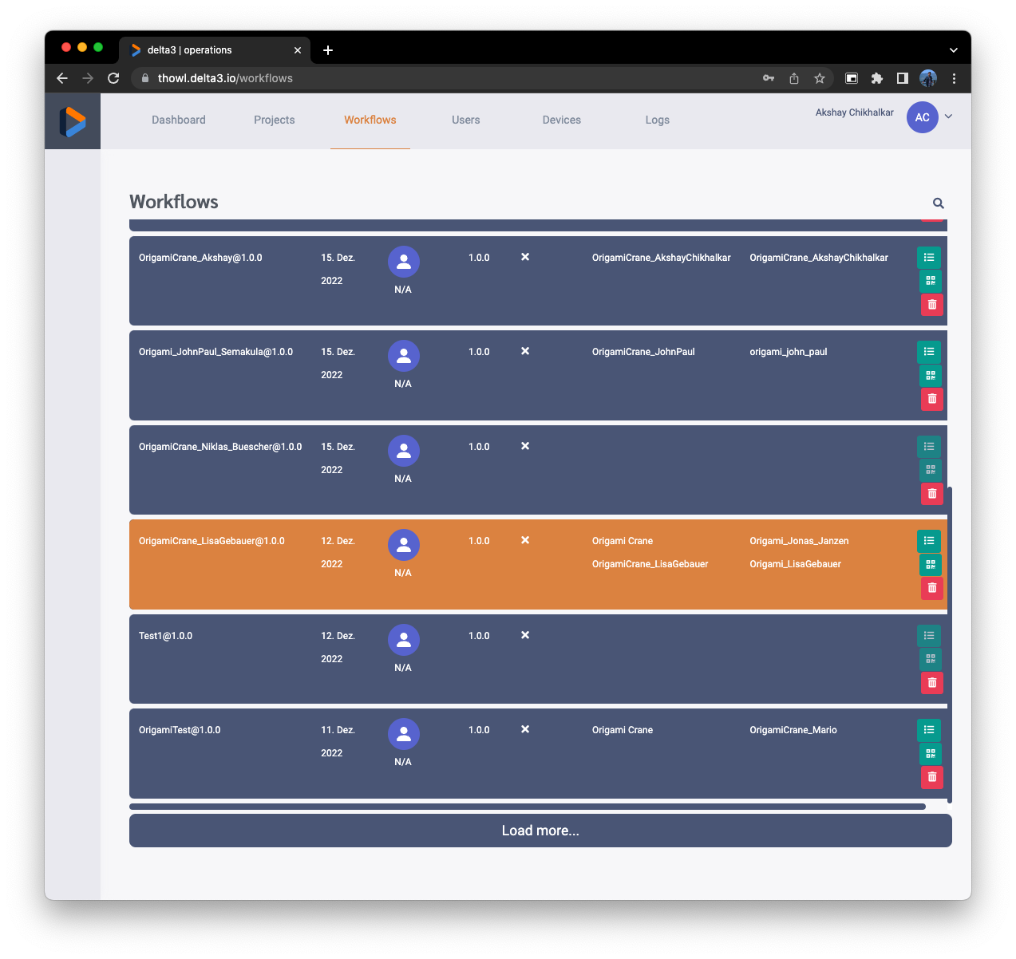 | Operator | Heuristic 7: Flexibility and Efficiency of Use | Low | Like to see proper dynamic resizing web app
Logs menu does not opens | 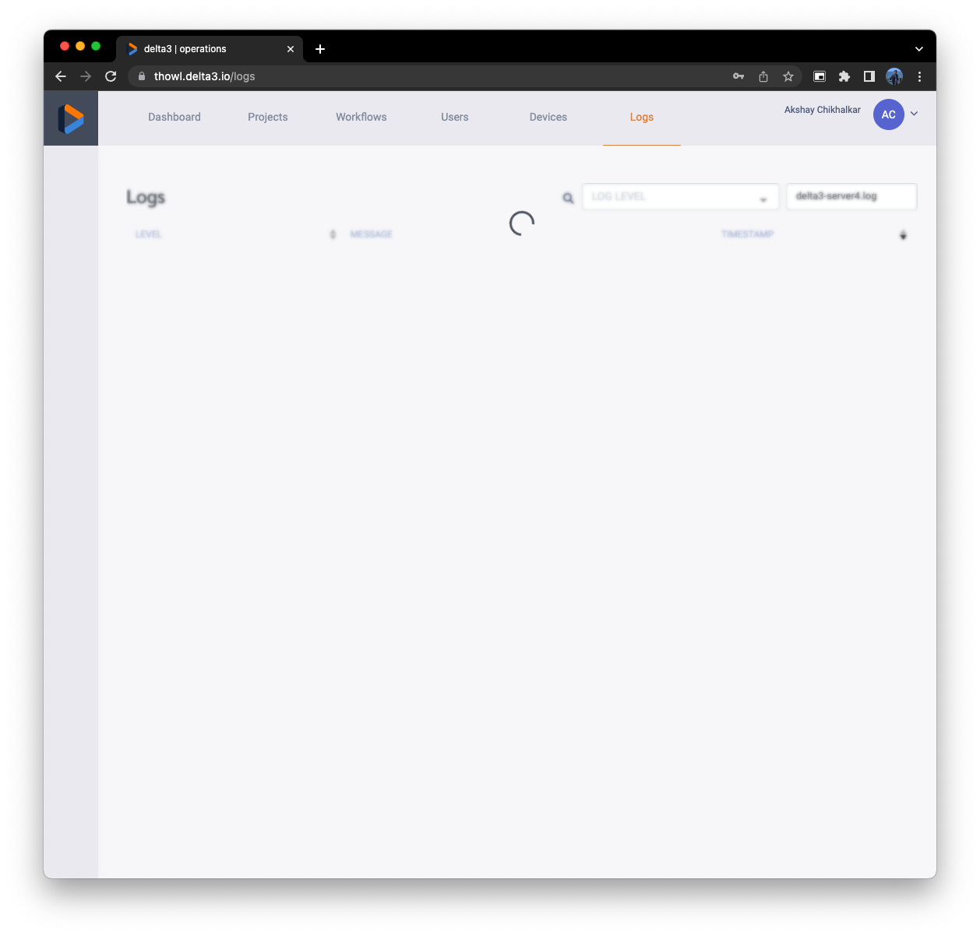 | Logs | Heuristic 4: Consistency and Standards | Medium | Like to see all the present option in working condition

